Report
 |  |  |  |  | Crystal Ball Report - Full
 |  |  |  |  | Created 5/16/2023 at 4:32 PM
Summary:
 | Data attributes:
 |  | Number of series |  | 3
 |  | Data is in |  | days

 | Run preferences:
 |  | Periods to forecast |  | 36
 |  | Fill-in missing values |  | On
 |  | Adjust outliers |  | Off
 |  | Methods used |  | Non-seasonal methods
 |  |  |  | Seasonal methods
 |  |  |  | Multiple Linear Regression
 |  |  |  | ARIMA methods
 |  | Forecasting technique |  | Standard forecasting
 |  | Regression technique |  | Standard
 |  | Constant included |  | On
 |  | Error measure |  | MAD

 |  |  |  |  | Predictor Series

Series: wind_generation_actual |  |  |  |  |  |  | Range: $B$2:$B$1095

 | Summary:
 |  | Best method |  | ARIMA(1,1,2)
 |  | Error measure (MAD) |  | 113,340.70

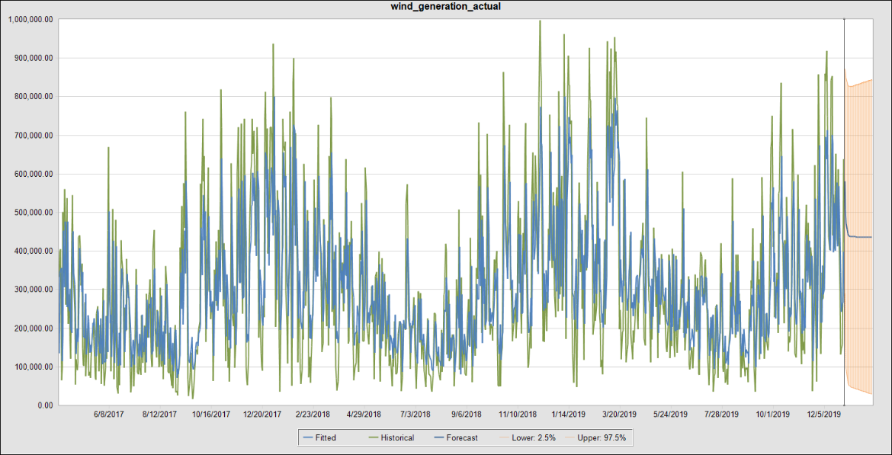

 | Only most recent 1,000 historical values shown

 | Forecast results:

 |  | Date | Lower: 2.5% | Forecast |  | Upper: 97.5%
 |  | 12/31/2019 | 289,276.74 | 580,449.38 |  | 871,622.02
 |  | 1/1/2020 | 150,162.89 | 508,208.01 |  | 866,253.13
 |  | 1/2/2020 | 96,210.05 | 472,324.28 |  | 848,438.51
 |  | 1/3/2020 | 72,129.05 | 454,500.12 |  | 836,871.19
 |  | 1/4/2020 | 60,530.66 | 445,646.51 |  | 830,762.35
 |  | 1/5/2020 | 54,592.73 | 441,248.74 |  | 827,904.75
 |  | 1/6/2020 | 51,336.86 | 439,064.28 |  | 826,791.70
 |  | 1/7/2020 | 49,381.94 | 437,979.22 |  | 826,576.50
 |  | 1/8/2020 | 48,065.94 | 437,440.25 |  | 826,814.55
 |  | 1/9/2020 | 47,065.93 | 437,172.53 |  | 827,279.12
 |  | 1/10/2020 | 46,222.99 | 437,039.55 |  | 827,856.10
 |  | 1/11/2020 | 45,458.55 | 436,973.49 |  | 828,488.44
 |  | 1/12/2020 | 44,733.66 | 436,940.68 |  | 829,147.70
 |  | 1/13/2020 | 44,029.01 | 436,924.38 |  | 829,819.76
 |  | 1/14/2020 | 43,335.00 | 436,916.29 |  | 830,497.57
 |  | 1/15/2020 | 42,646.88 | 436,912.27 |  | 831,177.65
 |  | 1/16/2020 | 41,962.28 | 436,910.27 |  | 831,858.27
 |  | 1/17/2020 | 41,280.00 | 436,909.28 |  | 832,538.55
 |  | 1/18/2020 | 40,599.47 | 436,908.79 |  | 833,218.10
 |  | 1/19/2020 | 39,920.40 | 436,908.54 |  | 833,896.69
 |  | 1/20/2020 | 39,242.62 | 436,908.42 |  | 834,574.22
 |  | 1/21/2020 | 38,566.06 | 436,908.36 |  | 835,250.65
 |  | 1/22/2020 | 37,890.69 | 436,908.33 |  | 835,925.97
 |  | 1/23/2020 | 37,216.48 | 436,908.31 |  | 836,600.15
 |  | 1/24/2020 | 36,543.41 | 436,908.31 |  | 837,273.21
 |  | 1/25/2020 | 35,871.47 | 436,908.30 |  | 837,945.14
 |  | 1/26/2020 | 35,200.66 | 436,908.30 |  | 838,615.94
 |  | 1/27/2020 | 34,530.97 | 436,908.30 |  | 839,285.63
 |  | 1/28/2020 | 33,862.39 | 436,908.30 |  | 839,954.21
 |  | 1/29/2020 | 33,194.92 | 436,908.30 |  | 840,621.68
 |  | 1/30/2020 | 32,528.55 | 436,908.30 |  | 841,288.05
 |  | 1/31/2020 | 31,863.28 | 436,908.30 |  | 841,953.32
 |  | 2/1/2020 | 31,199.10 | 436,908.30 |  | 842,617.50
 |  | 2/2/2020 | 30,536.00 | 436,908.30 |  | 843,280.59
 |  | 2/3/2020 | 29,873.99 | 436,908.30 |  | 843,942.61
 |  | 2/4/2020 | 29,213.05 | 436,908.30 |  | 844,603.55

 | Historical data:

 |  | Statistic |  | Historical data
 |  | Data Values |  | 1094
 |  | Minimum |  | 16,482.00
 |  | Mean |  | 305,819.77
 |  | Maximum |  | 998,899.00
 |  | Standard Deviation |  | 205,728.86
 |  | Ljung-Box |  | 8,055.66 | (Detrended)
 |  | Seasonality |  | Non-seasonal | (AutoDetect)
 |  | Screened Values |  | 0

 | ARIMA statistics:

 |  | ARIMA |  | Statistic
 |  | Transformation Lambda |  | 1.00
 |  | BIC |  | 23.84 | *
 |  | AIC |  | 23.82
 |  | AICc |  | 23.82
 |  |  |  | * Used for model selection

 | ARIMA model coefficients:

 |  | Variable |  | Coefficient |  | Standard Error
 |  | AR(1) |  | 0.4967 |  | 0.0461
 |  | MA(1) |  | 0.7811 |  | 0.0510
 |  | MA(2) |  | 0.1788 |  | 0.0470

 | Forecast accuracy:

 |  | Method |  | Rank |  | MAD
 |  | ARIMA(1,1,2) |  | Best |  | 113,340.70
 |  | Single Exponential Smoothing |  | 2nd |  | 122,062.26
 |  | Damped Trend Non-Seasonal |  | 3rd |  | 122,062.26

 |  | Method |  | Theil's U |  | Durbin-Watson
 |  | ARIMA(1,1,2) |  | 0.8581 |  | 2.00
 |  | Single Exponential Smoothing |  | 0.9427 |  | 1.89
 |  | Damped Trend Non-Seasonal |  | 0.9427 |  | 1.89

 | Method parameters:

 |  | Method |  | Parameter |  | Value
 |  | ARIMA(1,1,2) |  | --- |  | ---
 |  | Single Exponential Smoothing |  | Alpha |  | 0.7971
 |  | Damped Trend Non-Seasonal |  | Alpha |  | 0.7971
 |  |  |  | Beta |  | 0.0010
 |  |  |  | Phi |  | 0.0010

Series: wind_capacity |  |  |  |  |  |  | Range: $C$2:$C$1095

 | Summary:
 |  | Best method |  | Damped Trend Non-Seasonal
 |  | Error measure (MAD) |  | 8.70

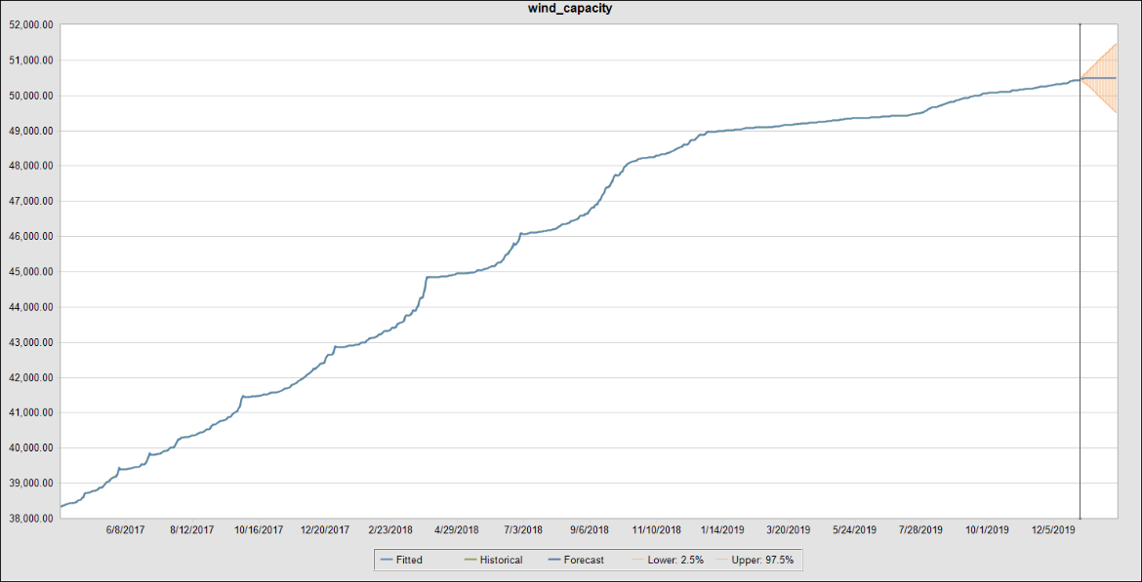

 | Only most recent 1,000 historical values shown

 | Forecast results:

 |  | Date | Lower: 2.5% | Forecast |  | Upper: 97.5%
 |  | 12/31/2019 | 50,435.46 | 50,464.22 |  | 50,492.97
 |  | 1/1/2020 | 50,415.59 | 50,473.25 |  | 50,530.92
 |  | 1/2/2020 | 50,394.34 | 50,479.93 |  | 50,565.53
 |  | 1/3/2020 | 50,372.69 | 50,484.87 |  | 50,597.05
 |  | 1/4/2020 | 50,351.30 | 50,488.52 |  | 50,625.74
 |  | 1/5/2020 | 50,331.02 | 50,491.22 |  | 50,651.41
 |  | 1/6/2020 | 50,310.68 | 50,493.21 |  | 50,675.74
 |  | 1/7/2020 | 50,286.24 | 50,494.68 |  | 50,703.12
 |  | 1/8/2020 | 50,258.85 | 50,495.77 |  | 50,732.69
 |  | 1/9/2020 | 50,230.61 | 50,496.57 |  | 50,762.54
 |  | 1/10/2020 | 50,202.14 | 50,497.17 |  | 50,792.20
 |  | 1/11/2020 | 50,174.00 | 50,497.61 |  | 50,821.22
 |  | 1/12/2020 | 50,146.87 | 50,497.93 |  | 50,849.00
 |  | 1/13/2020 | 50,119.89 | 50,498.17 |  | 50,876.46
 |  | 1/14/2020 | 50,091.70 | 50,498.35 |  | 50,905.01
 |  | 1/15/2020 | 50,062.75 | 50,498.48 |  | 50,934.22
 |  | 1/16/2020 | 50,034.00 | 50,498.58 |  | 50,963.16
 |  | 1/17/2020 | 50,005.66 | 50,498.65 |  | 50,991.64
 |  | 1/18/2020 | 49,977.78 | 50,498.70 |  | 51,019.63
 |  | 1/19/2020 | 49,950.64 | 50,498.74 |  | 51,046.85
 |  | 1/20/2020 | 49,923.69 | 50,498.77 |  | 51,073.86
 |  | 1/21/2020 | 49,896.09 | 50,498.79 |  | 51,101.50
 |  | 1/22/2020 | 49,868.07 | 50,498.81 |  | 51,129.54
 |  | 1/23/2020 | 49,840.07 | 50,498.82 |  | 51,157.58
 |  | 1/24/2020 | 49,812.27 | 50,498.83 |  | 51,185.39
 |  | 1/25/2020 | 49,784.96 | 50,498.84 |  | 51,212.72
 |  | 1/26/2020 | 49,758.13 | 50,498.84 |  | 51,239.55
 |  | 1/27/2020 | 49,731.50 | 50,498.84 |  | 51,266.19
 |  | 1/28/2020 | 49,704.53 | 50,498.85 |  | 51,293.16
 |  | 1/29/2020 | 49,677.23 | 50,498.85 |  | 51,320.47
 |  | 1/30/2020 | 49,649.82 | 50,498.85 |  | 51,347.88
 |  | 1/31/2020 | 49,622.43 | 50,498.85 |  | 51,375.27
 |  | 2/1/2020 | 49,595.21 | 50,498.85 |  | 51,402.49
 |  | 2/2/2020 | 49,568.36 | 50,498.85 |  | 51,429.35
 |  | 2/3/2020 | 49,541.58 | 50,498.85 |  | 51,456.12
 |  | 2/4/2020 | 49,514.54 | 50,498.85 |  | 51,483.17

 | Historical data:

 |  | Statistic |  | Historical data
 |  | Data Values |  | 1094
 |  | Minimum |  | 37,149.13
 |  | Mean |  | 45,066.02
 |  | Maximum |  | 50,452.00
 |  | Standard Deviation |  | 4,315.84
 |  | Ljung-Box |  | 123,664.45 | (Detrended)
 |  | Seasonality |  | Non-seasonal | (AutoDetect)
 |  | Screened Values |  | 0

 | Forecast accuracy:

 |  | Method |  | Rank |  | MAD
 |  | Damped Trend Non-Seasonal |  | Best |  | 8.70
 |  | ARIMA(1,2,2) |  | 2nd |  | 8.86
 |  | Double Exponential Smoothing |  | 3rd |  | 9.13

 |  | Method |  | Theil's U |  | Durbin-Watson
 |  | Damped Trend Non-Seasonal |  | 0.6735 |  | 1.91
 |  | ARIMA(1,2,2) |  | 0.6405 |  | 2.00
 |  | Double Exponential Smoothing |  | 0.7146 |  | 2.12

 | Method parameters:

 |  | Method |  | Parameter |  | Value
 |  | Damped Trend Non-Seasonal |  | Alpha |  | 0.9990
 |  |  |  | Beta |  | 0.9419
 |  |  |  | Phi |  | 0.7391
 |  | ARIMA(1,2,2) |  | --- |  | ---
 |  | Double Exponential Smoothing |  | Alpha |  | 0.9990
 |  |  |  | Beta |  | 0.9133

Series: temperature |  |  |  |  |  |  | Range: $D$2:$D$1095

 | Summary:
 |  | Best method |  | SARIMA(2,1,2)(1,0,1)
 |  | Error measure (MAD) |  | 1.22

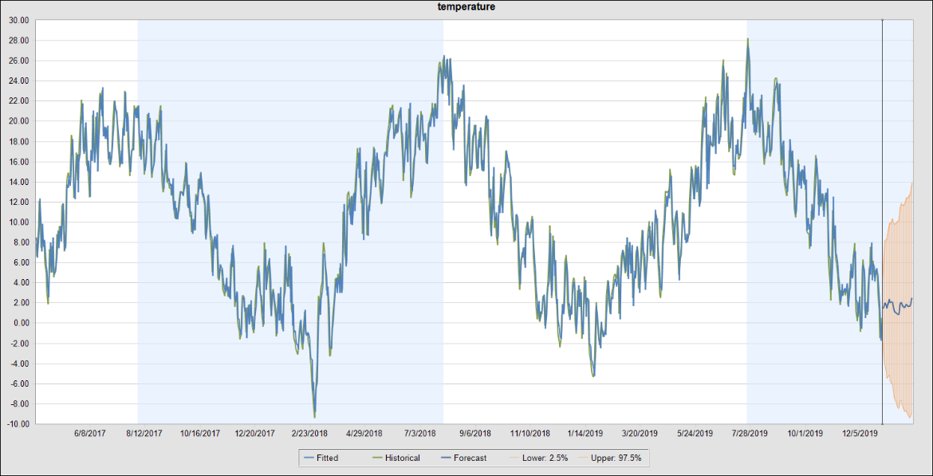

 | Only most recent 1,000 historical values shown

 | Forecast results:

 |  | Date | Lower: 2.5% | Forecast |  | Upper: 97.5%
 |  | 12/31/2019 | -1.54 | 1.48 |  | 4.51
 |  | 1/1/2020 | -3.23 | 1.60 |  | 6.43
 |  | 1/2/2020 | -3.86 | 1.78 |  | 7.41
 |  | 1/3/2020 | -4.12 | 2.05 |  | 8.22
 |  | 1/4/2020 | -4.78 | 1.77 |  | 8.33
 |  | 1/5/2020 | -5.43 | 1.44 |  | 8.31
 |  | 1/6/2020 | -5.41 | 1.72 |  | 8.85
 |  | 1/7/2020 | -5.20 | 2.15 |  | 9.51
 |  | 1/8/2020 | -5.16 | 2.40 |  | 9.97
 |  | 1/9/2020 | -5.72 | 2.04 |  | 9.79
 |  | 1/10/2020 | -5.87 | 2.07 |  | 10.00
 |  | 1/11/2020 | -5.94 | 2.17 |  | 10.28
 |  | 1/12/2020 | -6.19 | 2.09 |  | 10.36
 |  | 1/13/2020 | -6.96 | 1.48 |  | 9.92
 |  | 1/14/2020 | -7.39 | 1.20 |  | 9.80
 |  | 1/15/2020 | -7.65 | 1.10 |  | 9.85
 |  | 1/16/2020 | -7.85 | 1.05 |  | 9.96
 |  | 1/17/2020 | -8.07 | 0.98 |  | 10.03
 |  | 1/18/2020 | -8.30 | 0.89 |  | 10.09
 |  | 1/19/2020 | -8.47 | 0.87 |  | 10.21
 |  | 1/20/2020 | -8.31 | 1.17 |  | 10.65
 |  | 1/21/2020 | -7.72 | 1.90 |  | 11.52
 |  | 1/22/2020 | -7.66 | 2.10 |  | 11.85
 |  | 1/23/2020 | -8.02 | 1.87 |  | 11.76
 |  | 1/24/2020 | -8.39 | 1.64 |  | 11.66
 |  | 1/25/2020 | -8.57 | 1.59 |  | 11.74
 |  | 1/26/2020 | -8.77 | 1.52 |  | 11.80
 |  | 1/27/2020 | -8.62 | 1.79 |  | 12.20
 |  | 1/28/2020 | -8.67 | 1.87 |  | 12.41
 |  | 1/29/2020 | -8.91 | 1.75 |  | 12.42
 |  | 1/30/2020 | -9.13 | 1.66 |  | 12.45
 |  | 1/31/2020 | -9.21 | 1.70 |  | 12.60
 |  | 2/1/2020 | -9.35 | 1.68 |  | 12.71
 |  | 2/2/2020 | -9.22 | 1.93 |  | 13.08
 |  | 2/3/2020 | -8.98 | 2.29 |  | 13.55
 |  | 2/4/2020 | -8.86 | 2.52 |  | 13.91

 | Historical data:

 |  | Statistic |  | Historical data
 |  | Data Values |  | 1094
 |  | Minimum |  | -9.36
 |  | Mean |  | 10.05
 |  | Maximum |  | 28.24
 |  | Standard Deviation |  | 7.74
 |  | Ljung-Box |  | 133,257.62 | (Detrended)
 |  | Seasonality |  | 360 | (AutoDetect)
 |  | Screened Values |  | 0

 | ARIMA statistics:

 |  | ARIMA |  | Statistic
 |  | Transformation Lambda |  | 1.00
 |  | BIC |  | 0.9078 | *
 |  | AIC |  | 0.8804
 |  | AICc |  | 0.8804
 |  |  |  | * Used for model selection

 | ARIMA model coefficients:

 |  | Variable |  | Coefficient |  | Standard Error
 |  | AR(1) |  | 0.5218 |  | 0.0683
 |  | AR(2) |  | 0.1083 |  | 0.0679
 |  | MA(1) |  | 0.2783 |  | 0.0585
 |  | MA(2) |  | 0.5229 |  | 0.0582
 |  | Seasonal AR(1) |  | 0.0097 |  | 0.2820
 |  | Seasonal MA(1) |  | -0.1418 |  | 0.2801

 | Forecast accuracy:

 |  | Method |  | Rank |  | MAD
 |  | SARIMA(2,1,2)(1,0,1) |  | Best |  | 1.22
 |  | Damped Trend Non-Seasonal |  | 2nd |  | 1.30
 |  | Single Moving Average |  | 3rd |  | 1.36

 |  | Method |  | Theil's U |  | Durbin-Watson
 |  | SARIMA(2,1,2)(1,0,1) |  | 0.7105 |  | 1.94
 |  | Damped Trend Non-Seasonal |  | 1.04 | * | 1.96
 |  | Single Moving Average |  | 1.0000 |  | 1.54
 |  |  |  |  |  | * - Warning: Theil's U > 1.0

 | Method parameters:

 |  | Method |  | Parameter |  | Value
 |  | SARIMA(2,1,2)(1,0,1) |  | --- |  | ---
 |  | Damped Trend Non-Seasonal |  | Alpha |  | 0.9990
 |  |  |  | Beta |  | 0.9990
 |  |  |  | Phi |  | 0.3087
 |  | Single Moving Average |  | Order |  | 1

